Rent Waiver Instructions
Directions for Completing Rent Waiver Worksheet

Heading | Complete initial information including property name, date of request, and contact information of person completing the form
Column A - | Insert unit number
Column B - | Select approporiate unit type from drop down list.
Column C - | Insert % AMI Limit
Column D - | Insert initial move-in date
Column E - | Insert date of current certification
Column F - | Insert present household income from current certification
Column G - | Insert current most restrictive gross program maximum rent limits which includes utility allowance
Column H - | Insert current monthly gross rent (including utility allowance, excluding subsidy portion)
Column I - | If applicable, insert current monthly rent subsidy
Column J - | If applicable, insert type of subsidy
Column N - | Enter proposed rent increase percentage

Rent Waiver Worksheet Example
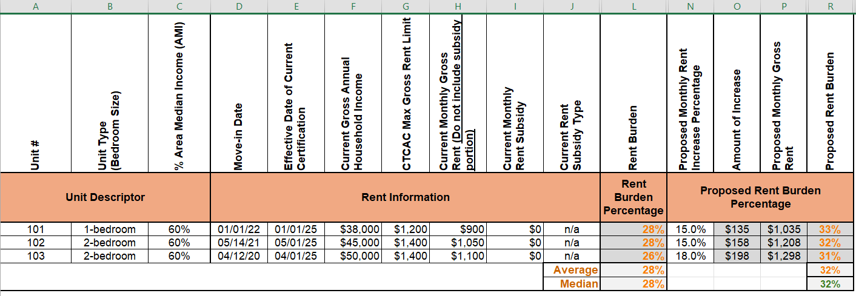

 |  | Desired rent burden is 30% or less

